Professors
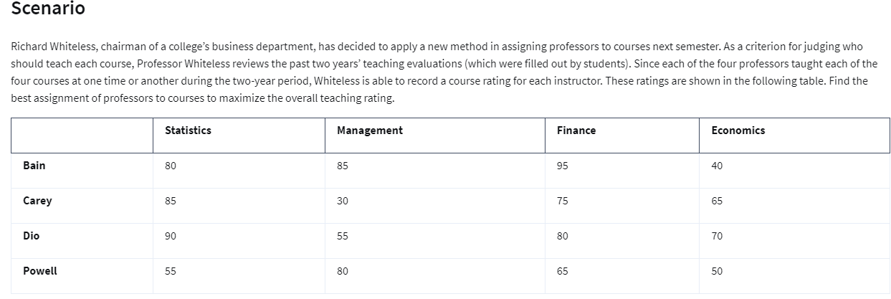
 | Statistics | Management | Finance | Economics
Bain | 80 | 85 | 95 | 40
Carey | 85 | 30 | 75 | 65
Dio | 90 | 55 | 80 | 70
Powell | 55 | 80 | 65 | 50

 | Statistics | Management | Finance | Economics
Bain | 0 | 0 | 1 | 0 | 1 | = | 1
Carey | 1 | 0 | 0 | 0 | 1 | = | 1
Dio | 0 | 0 | 0 | 1 | 1 | = | 1
Powell | 0 | 1 | 0 | 0 | 1 | = | 1
 | 1 | 1 | 1 | 1
 | = | = | = | =
 | 1 | 1 | 1 | 1

Objective(max) | 330

